Tutorial 1
1.
 |  | Gauge (m) MSL | Area (m²) |  |  | Gauge (m) MSL |  | v [m/s] |  | Tasks
 |  | 505.65 | 10 |  |  | 505.8 |  | 0.5 |  | 1. Find the area and velocity of the control section when the gauge reading was 506.80, then find the discharge
 |  | 506 | 45 |  |  | 506 |  | 0.7
 |  | 506.5 | 108 |  |  | 506.1 |  | 0.8
 |  | 507 | 150 |  |  | 506.3 |  | 1.3 |  | 2. Find the area and gauge reading of control section when the velocity reading was 2.0 m/s Then find the discharge
 |  | 507.5 | 210 |  |  | 506.43 |  | 1.4
 |  | 507.6 | 220 |  |  | 506.5 |  | 2
 |  | 507.7 | 230 |  |  | 506.6 |  | 2.4 |  | 3. Find the velocity and the gauge reading of the control section when the area was 140 m2 and hence find the discharge
 |  |  |  |  |  | 506.7 |  | 2.8
 | Extra |  |  |  |  | 506.8 |  | 3.4
m A | Gauge (m) MSL | Area (m²) | v [m/s] | Q |  | 506.9 |  | 3.9
84 | 506.8 | 133.2 | 3.4 | 452.88 |  | 507 |  | 4
 | 506.5 | 108 | 2 | 216 |  | 507.1 |  | 4.55
0.011904761905 | 506.88 | 140 | 3.80 | 532.66666667 |  | 507.2 |  | 4.95
5
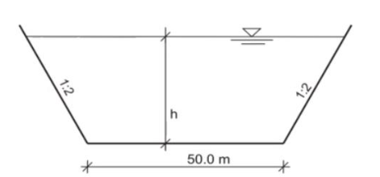

 |  |  | 1 | 2
2. |  | d | 100 | 100
b | 50 | h | 1.5 | 1
Coef | 0.83 | t | 60 | 80
 | A=b*h+m*h^2 | A | 79.5 | 52
 |  | v | 1.38 | 1.04
 |  | Q | 109.975 | 53.95

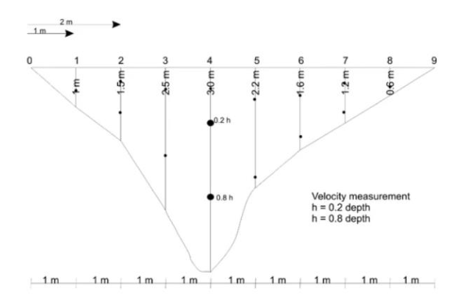
3.
 | Vertical No. | Distance from bank [m] | Depth [m] | Depth of measuring point [m] | Velocity [m/s] | Mean v in vertical | Mean v in area | Area | Calculated Flow
 | 0 | 0 | 0 | 0 | -
 | 1 | 1 | 1 | 0.6 | 0.244 | 0.244 | 0.244 | 0.5 | 0.122
 | 2 | 2 | 1.5 | 0.3 | 0.467 | 0.3835 | 0.31375 | 1.25 | 0.3921875
 |  |  | 1.5 | 1.2 | 0.3
 | 3 | 3 | 2.5 | 0.5 | 0.467 | 0.419 | 0.40125 | 2 | 0.8025
 |  |  | 2.5 | 2 | 0.371
 | 4 | 4 | 3 | 0.6 | 0.6 | 0.5335 | 0.47625 | 2.75 | 1.3096875
 |  |  | 3 | 2.4 | 0.467
 | 5 | 5 | 2.2 | 0.44 | 0.506 | 0.4255 | 0.4795 | 2.6 | 1.2467
 |  |  | 2.2 | 1.76 | 0.345
 | 6 | 6 | 1.6 | 0.32 | 0.467 | 0.3835 | 0.4045 | 1.9 | 0.76855
 |  |  | 1.6 | 1.28 | 0.3
 | 7 | 7 | 1.2 | 0.24 | 0.3 | 0.25 | 0.31675 | 1.4 | 0.44345
 |  |  | 1.2 | 0.96 | 0.2
 | 8 | 8 | 0.6 | 0.36 | 0.2 | 0.2 | 0.225 | 0.9 | 0.2025
 | 9 | 9 | 0 | 0 | - |  | 0.2 | 0.3 | 0.06
 |  |  |  |  |  |  |  | 13.6 | 5.347575

 |  | Final Flow |  |  |  | 1
 |  |  |  |  |  | 1.4142135624

